Web-Intergrations
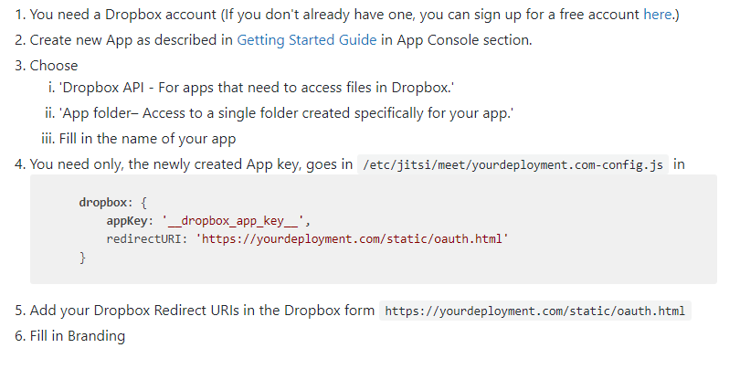
Creating the Google API client for Google Calendar and YouTube integration

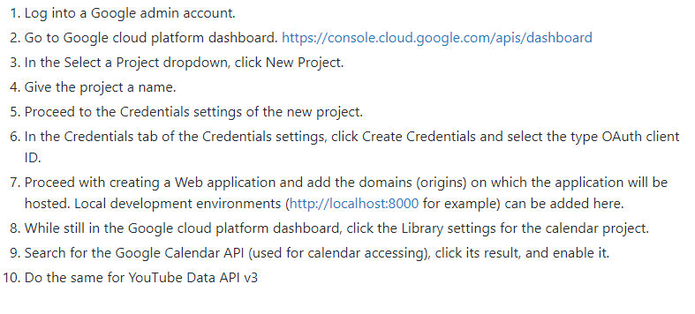

Creating the Microsoft app for Microsoft Outlook integration

 | 1. Go to https://apps.dev.microsoft.com/
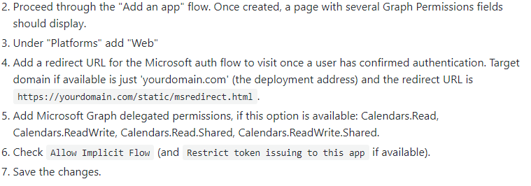

Creating the Dropbox app for Dropbox recording integration

Web- Frame API
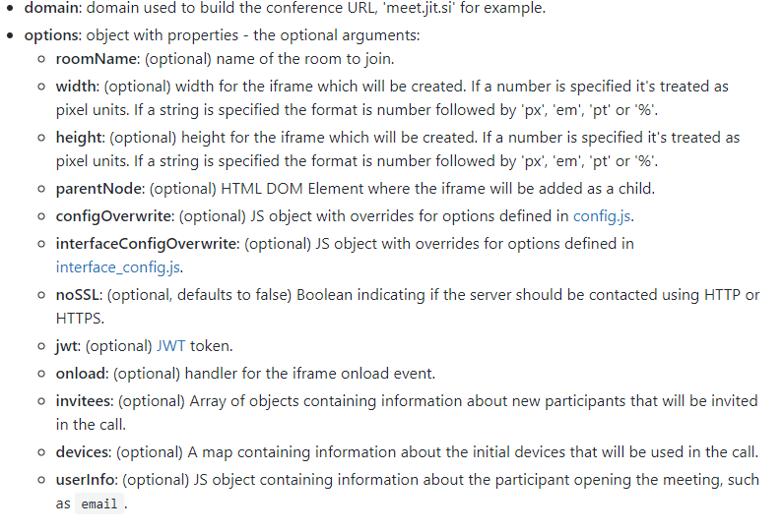
IFrame API

Installation
To embed Jitsi Meet in your application you need to add the Jitsi Meet API library:

API

Mobile-Start
IOS

1. Install dependencies
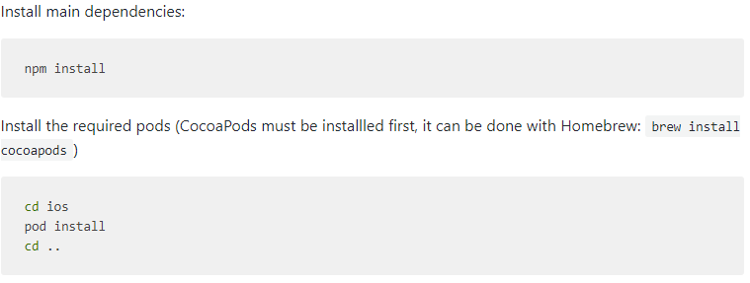

2.Build the app

Android

1.Building the app

Debugging

The official documentation on debugging is quite extensive and specifies the preferred method for debugging

Android SDK
Sample applications using the SDK

If you want to see how easy integrating the Jitsi Meet SDK into a native application is, take a look at the sample applications repository.

Build your own, or use a pre-build SDK artifacts/binaries

Jitsi conveniently provides a pre-build SDK artifacts/binaries in its Maven repository

Use pre-build SDK artifacts/binaries

In your project, add the Maven repository https://github.com/jitsi/jitsi-maven-repository/raw/master/releases and the dependency org.jitsi.react:jitsi-meet-sdk into your build.gradle files.

The repository typically goes into the build.gradle file in the root of your project:

Dependency definitions belong in the individual module build.gradle files:

Build and use your own SDK artifacts/binaries

Using the API

Add Java 1.8 compatibility support to your project by adding the following lines into your build.gradle file:

To get started, extends your android.app.Activity from org.jitsi.meet.sdk.JitsiMeetActivity:

you can use the org.jitsi.meet.sdk.JitsiMeetView class which extends android.view.View.

JitsiMeetActivity

JitsiMeetView

join(options) |  | getListener()

leave()
 |  | setListener(listener)
dispose()

JitsiMeetConferenceOptions

This object encapsulates all the options that can be tweaked when joining a conference.

JitsiMeetActivityDelegate

onActivityResult(...) |  |  | onHostDestroy(...) |  | onHostStop(...) |  | onRequestPermissionsResult(...)

onActivityResult(...) |  |  | onHostResume(...) |  | onNewIntent(...) |  | onUserLeaveHint()

 | JitsiMeetViewListener |  |  | onConferenceJoined |  | onConferenceTerminated |  | onConferenceWillJoin

ProGuard rules

 |  | When using the SDK on a project some proguard rules have to be added in order to avoid necessary code being stripped. Add the following to your project's rules file:
 |  |  |  | https://github.com/jitsi/jitsi-meet/blob/master/android/app/proguard-rules.pro

Picture-in-Picture

JitsiMeetView will automatically adjust its UI when presented in a Picture-in-Picture style scenario, in a rectangle too small to accommodate its "full" UI.

Dropbox integration

1. Add the following to the app's AndroidManifest.xml and change <APP_KEY> to your Dropbox app key:
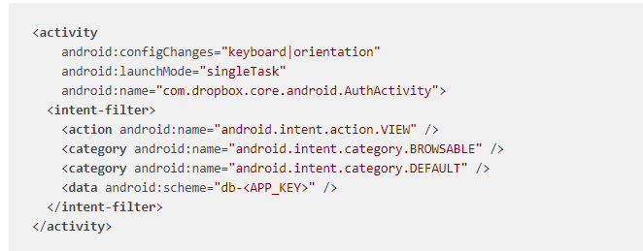

2. Add the following to the app's strings.xml and change <APP_KEY> to your Dropbox app key:

IOS SDK
 | Sample applications using the SDK

 |  | If you want to see how easy integrating the Jitsi Meet SDK into a native application is, take a look at the

 | Usage CocoaPods

 |  | The recommended way for using the SDK is by using CocoaPods. In order to do so, add the JitsiMeetSDK dependency to your existing Podfile or create a new one following this example:
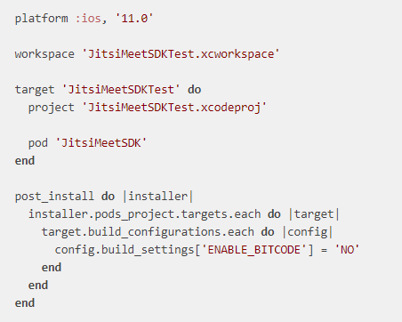
 |  |  |  | Replace JitsiMeetSDKTest with your project and target names.

 |  |  |  | The SDK uses Swift code, so make sure you select Always Embed Swift Standard Libraries in your project.

 |  |  |  | Since the SDK requests camera and microphone access, make sure to include the required entries for NSCameraUsageDescription and NSMicrophoneUsageDescription in your Info.plist file.

 |  |  |  | In order for app to properly work in the background, select the "audio" and "voip" background modes.

 |  |  |  | Last, since the SDK shows and hides the status bar based on the conference state, you may want to set UIViewControllerBasedStatusBarAppearance to NO in your Info.plist file.

 | Building it yourself

1.Install all required dependencies.

2.xcodebuild -workspace ios/jitsi-meet.xcworkspace -scheme JitsiMeet -destination='generic/platform=iOS' -configuration Release archive

 | API

 | To get started:
 | 1.Add a JitsiMeetView to your app using a Storyboard or Interface Builder, for example.
 | 2.Then, once the view has loaded, set the delegate in your controller and load the desired URL:

 | JitsiMeetView class

 | delegate
 | Property to get/set the JitsiMeetViewDelegate on JitsiMeetView.

 | join:JitsiMeetConferenceOptions
 | Joins the conference specified by the given options.
 | leave
 | Leaves the currently active conference.
 | Universal / deep linking
 | JitsiMeet offers 2 class methods

 | functions return NO it means the URL wasn't handled by the SDK

 | And also one of the following:

 | JitsiMeetViewDelegate

 | conferenceJoined |  | conferenceWillJoin

 |  |  |  | Picture-in-Picture

 | conferenceTerminated |  | enterPictureInPicture

 | Dropbox integration

 | 1. Add the following to the app's Info.plist and change <APP_KEY> to your Dropbox app key:
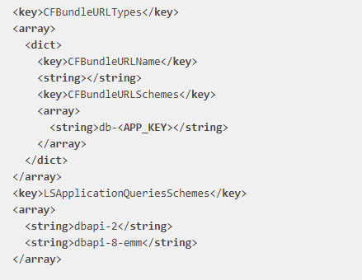

 | 2. Make sure your app calls the Jitsi Meet SDK universal / deep linking delegate methods.

